Readme
FABLE AFOLU Mitigation Profile tool
Supplementary Information to the FABLE policy brief 10/22 "National food and land mitigation pathways for net zero"
27.10.2022

CItation: FABLE (2022). AFOLU mitigation profile tool. Supplementary information to the FABLE Policy Brief "National food and land mitigation pathways for net zero". Sustainable Development Solutions Network (SDSN), Paris.
Contact: info.fable@unsdsn.org

The objective of this tool is to test the sensitivity of the proposed typology to input data, especially on historical GHG emissions from ariculture, land use change and forestry (AFOLU) and the thresholds value for each criteria.

The typology's criteria used for the brief are summarised in the Figure below.
 | Go to the worksheet "Assumptions and results" and see the assumptions under the table "Method_FABLEBrief"

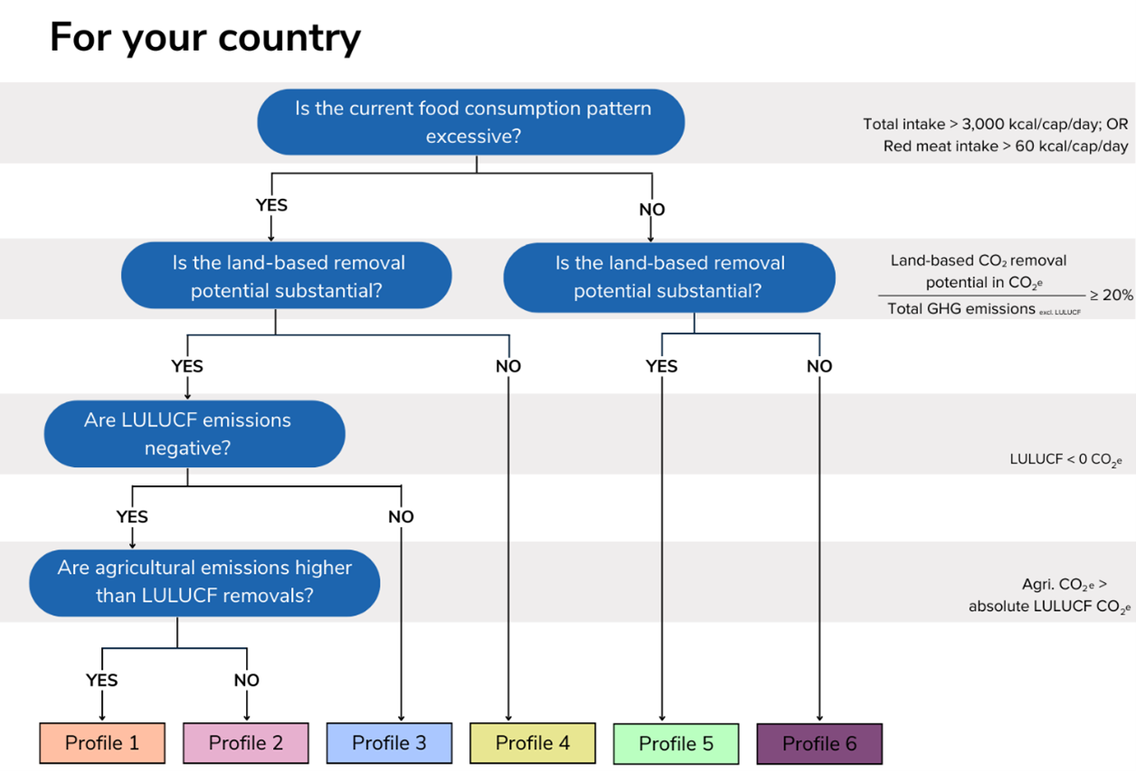

Criteria 1: Average total kcal per capita per day at the country level

Criteria 2: Average red meat kcal per capita per day at the country level

Criteria 3: Significant land-based removal potential

Criteria 4: Negative current LULUCF emissions

Criteria 5: Current negative AFOLU

 | In this tool you can test:

 | 1) Alternative values for thresholds for all criteria
 |  | HOW? => Go to the worksheet "Assumptions and results"=> in the table "Method_test" change threshold values in the column "Threshold"=> Select "Test" in the table "SelectionMethod" to update the computation

 | 2) Alternative definition of land-based removal potential
 |  | HOW? => Go to the worksheet "Assumptions and results"=> in the table "Method_test" in the row "LandRemovalPotential", choose between "Roenoagri" or "Roeagri" in the column "Source"=> Select "Test" in the table "SelectionMethod" to update the computation
 |  | "Roenoagri" means that the land based removal technical potential estimated by Roe et al. (2021) on agricultural land is not included while in "Roeagri", it is included.

 | 3) Alternative sources for historical GHG emissions
 |  | HOW? => Go to the worksheet "Assumptions and results"=> in the table "Method_test" in the row "LULUCFnegative", choose between "FAO" or "GHGI" in the column "Source"=> Select "Test" in the table "SelectionMethod" to update the computation

 | This work is licensed under the Creative Commons Attribution-ShareAlike 4.0 International License. To view a copy of this license, visit http://creativecommons.org/licenses/by-sa/4.0/

Assumptions and results
ASSUMPTIONS |  |  |  | DASHBOARD

TABLE: SelectionMethod |  |  |  | Allocation of countries per group |  |  |  | Check a country's profile
Note: put a x next to the method you want to select
Selection | Method
x | FABLEBrief |  |  |  |  | Number of countries |  | Country | Profile
 | Test |  |  |  | Profile1 | 13 |  | Congo, Dem. Rep. | Profile5
 |  |  |  |  | Profile2 | 8
 |  |  |  |  | Profile3 | 41
TABLE: Method_FABLEBrief |  |  |  |  | Profile4 | 69
Note: this is the selection that has been used for the FABLE policy brief 10/22 |  |  |  |  | Profile5 | 32
Criteria | Threshold | Source |  |  | Profile6 | 10
TotalKcal | 3000 | FAO |  |  | Total | 173
RedMeatKcal | 60 | FAO
LandRemovalPotential | 20% | RoeNoAgri
LULUCFnegative | 0 | FAO
AFOLU | 0 | FAO

 |  |  |  | Average emission profile per group
TABLE: Method_Test
Note1: value with the green background can be changed
Note2: source for total kcal and red meat kcal consumption should be the same |  |  |  |  |  |  | % total AFOLU
Note3: source for LULUCF, AFOLU and total GHG emissions should be the same |  |  |  |  |  |  | Land | Crop | Livestock
Criteria | Threshold | Source |  |  |  | Profile1 | -31% | 21% | 48%
TotalKcal | 3300 | FAO |  |  |  | Profile2 | -82% | 6% | 12%
RedMeatKcal | 100 | FAO |  |  |  | Profile3 | 45% | 14% | 41%
LandRemovalPotential | 20% | RoeAgri |  |  |  | Profile4 | -43% | 20% | 37%
LULUCFnegative | 0 | GHGI |  |  |  | Profile5 | 73% | 9% | 18%
AFOLU | 0 | GHGI |  |  |  | Profile6 | -4% | 29% | 67%

TABLE: Summary statistics for selected method

Criteria | Average | Median | Maximum value
TotalKcal | 2063.82 | 2624.50 | 3862.00
RedMeatKcal | 111.54 | 65.00 | 498.00
LandRemovalPotential | 51% | 7% | 821%
LULUCFnegative | 5.66 | 0.00 | 969.28
AFOLU | 41.22 | 1.66 | 2698.48

